Average Charges by Smoker S (2)
Average Charges by Smoker Status
Row Labels | Average of Charges
no | ₦ 8,440.66
yes | ₦ 32,050.23
Grand Total | ₦ 13,279.12

Dashboard
Healthcare Cost Analysis Dashboard
₦ 13,279 Avg. Chargers
₦ 63,770
Max Charges
₦ 32,050
Avg Charges (Smokers)
₦ 8,441
Avg Charges (Non Smokers)
1337
Total Patients

Average Charges by Smoker Status
 | Total
no | ₦ 8,440.66
yes | ₦ 32,050.23
Average Charges by Age Group
 | Total
Adult | ₦ 13,123.59
Elderly | ₦ 17,902.55
Young | ₦ 9,200.62

Average Charges by BMI Category
 | Total
Normal | ₦ 10,409.34
Obese | ₦ 15,572.04
Overweight | ₦ 10,987.51
Underweight | ₦ 8,852.20
Total Charges by Region
 | Total
northeast | ₦ 4,343,668.58
northwest | ₦ 4,034,072.43
southeast | ₦ 5,363,689.76
southwest | ₦ 4,012,754.65

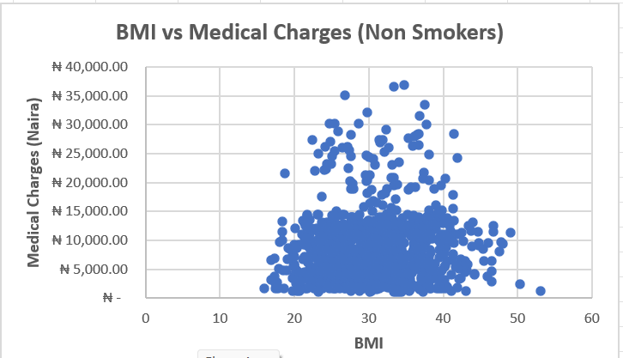
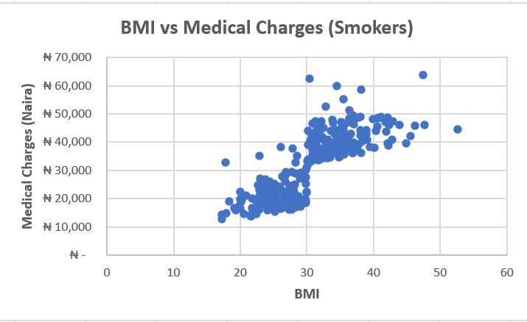
Gender Distribution
 | Total
female | 662
male | 675

